Bug Report
BUG REPORT |  |  |  |  |  |  |  |  |  |  |  |  |  |  |  |  |  |  | FIXED | SCHEDULED | IN PROGRESS | NOT BUG | WILL NOT FIXED | RE-TEST | NOT REPRODUCIBLE | TOTAL
BUG ID |  |  |  | BUG OVERVIEW |  | ENVIRONMENT |  |  | BUG DETAILS |  |  |  |  | BUG TRACKING |  |  | STATUS | REMARKS | 1 | 0 | 0 | 0 | 0 | 1 | 0 | 2
ID NUMBER | NAME | REPORTER | SUBMIT DATE | DESCRIPTION | ATTACHMENT | OPERATING SYSTEM | BROWSER | FOUND IN | TEST CASE ID | PRE-CONDITION | STEP TO REPRODUCE | EXPECTED RESULT | ACTUAL RESULLT | PRIORITY | SEVERITY | ASSIGNED TO
BUG-001 | [ BUG - BE ] html error page when post Comment Post with file large size | Akbar Maulino | 22 Juni 2024 | When posting for a post post with large output photos that are produced in the form of HTML | 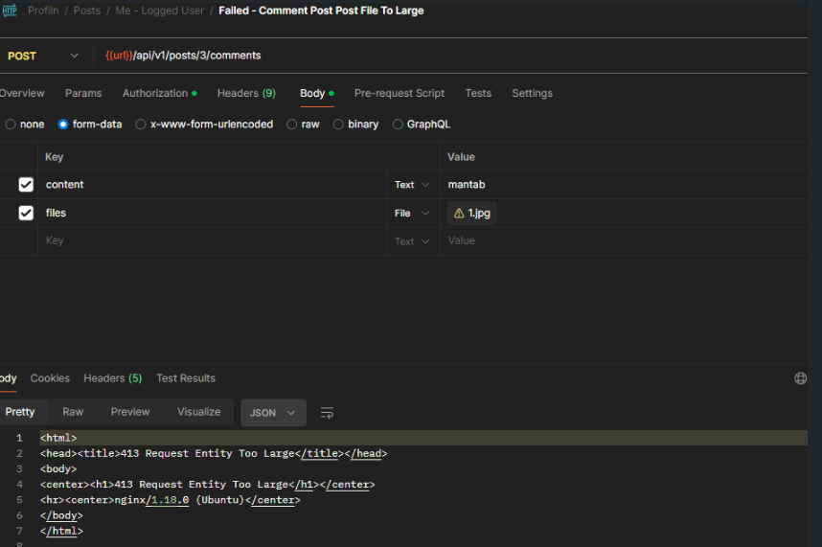 | Windows 11 | - | Development |  | Post Comment Post File To Large | Get Output JSON not as expected Response When Send Post Comment Post To Large Size | Response as A Format JSON | Response not as expected as a HTML | P1 | Major | Fazri | Fixed
BUG-002 | [ BUG - BE ] Validation User OTP | Akbar Maulino | 22 Juni 2024 | When doing a post for OTP Validation Send used for OTP testing | 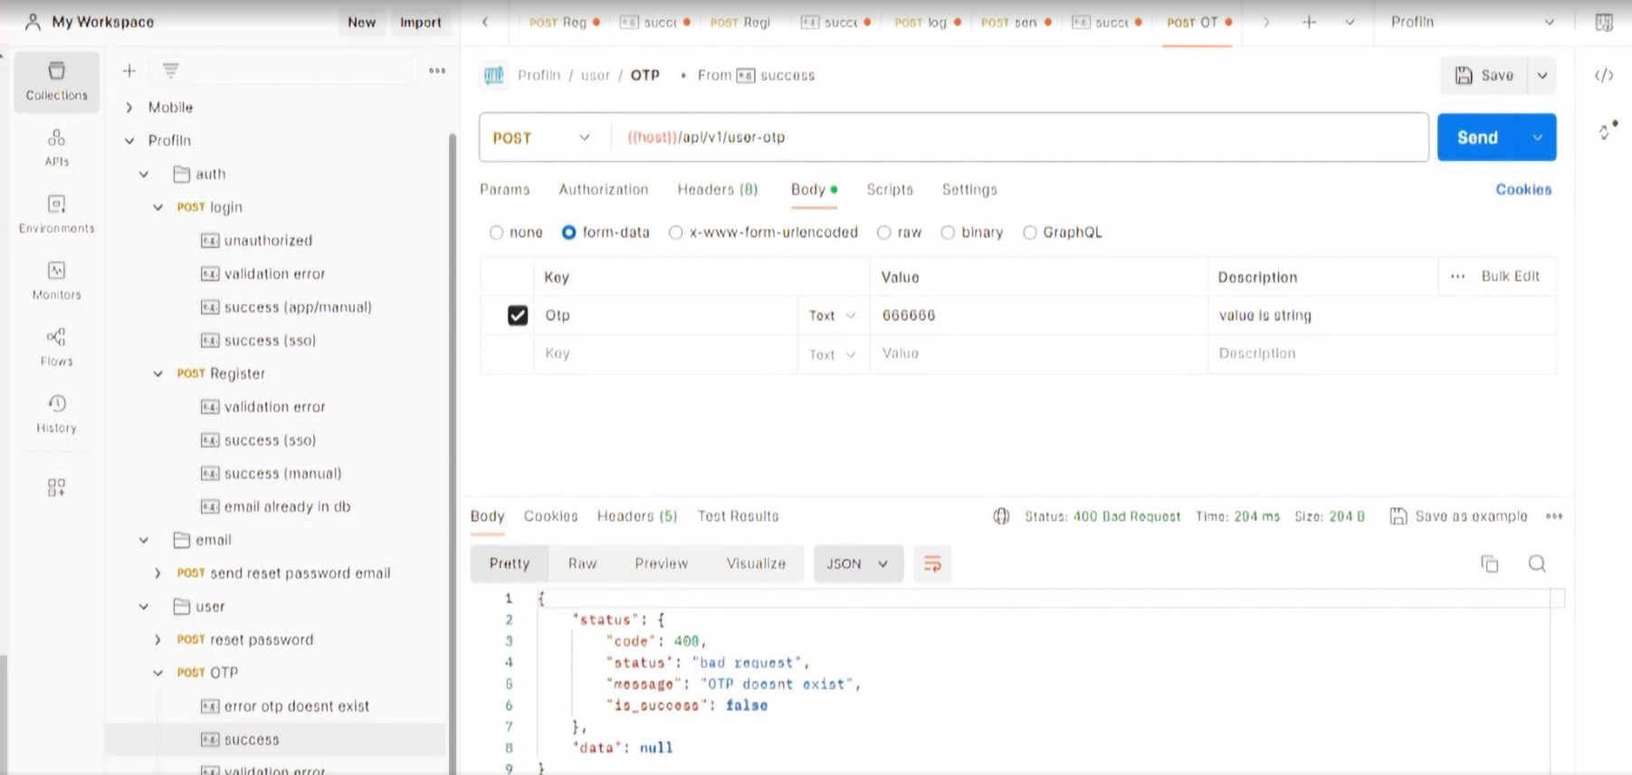 | Windows 11 | - | Development |  | Post Send OTP | Get Bad Request Response When Send Post User OTP, and Status Code is 400, and message is OTP doenst exist | Exprected Result is Success to send OTP | Actual Result is OTP Doesnt Exist | P2 | Critical | Fazri | Re-test

